fibroblast_type_by_sample pivot
 | Cell count |  |  |  |  |  |  |  |  |  |  |  |  |  |  |  |  |  |  |  |  | Cell proportion
 | Healthy controls (blue) |  |  |  |  |  |  |  |  | Systemic sclerosis (tan) |  |  |  |  |  |  |  |  |  |  |  | Healthy controls (blue) |  |  |  |  |  |  |  |  | Systemic sclerosis (tan)
Fibroblast Count by Sample |  |  |  |  |  |  |  |  |  |  |  |  |  |  |  |  |  |  |  |  | Fibroblast Count by Sample
 | 1223 | 1342 | 1351 | HSK053 | HSK054 | HSK60 | PHC003 | SC32 | SC34 | 515 | 591 | 594 | 630 | 647 | 658 | 688 | 735 | 754 | Grand Total |  |  | 1223 | 1342 | 1351 | HSK053 | HSK054 | HSK60 | PHC003 | SC32 | SC34 | 515 | 591 | 594 | 630 | 647 | 658 | 688 | 735 | 754 | Grand Total
0-COL11A1/POSTN | 126 | 0 | 133 | 5 | 148 | 23 | 28 | 42 | 132 | 275 | 23 | 174 | 45 | 116 | 149 | 9 | 13 | 20 | 1461 |  | 0-COL11A1/POSTN | 17.55% | 0.00% | 22.35% | 31.25% | 23.87% | 2.44% | 6.41% | 23.46% | 35.39% | 50.18% | 15.44% | 21.27% | 13.64% | 12.35% | 12.53% | 7.09% | 4.50% | 5.56% | 16.92%
10-CX3CR1/PIK3C2G | 36 | 0 | 14 | 0 | 1 | 12 | 17 | 3 | 0 | 7 | 1 | 1 | 4 | 16 | 1 | 1 | 12 | 7 | 133 |  | 10-CX3CR1/PIK3C2G | 5.01% | 0.00% | 2.35% | 0.00% | 0.16% | 1.28% | 3.89% | 1.68% | 0.00% | 1.28% | 0.67% | 0.12% | 1.21% | 1.70% | 0.08% | 0.79% | 4.15% | 1.94% | 1.54%
1-MTRNR2L1/IRF3 | 106 | 1 | 24 | 3 | 101 | 209 | 124 | 21 | 33 | 88 | 61 | 173 | 48 | 200 | 78 | 49 | 45 | 68 | 1432 |  | 1-MTRNR2L1/IRF3 | 14.76% | 20.00% | 4.03% | 18.75% | 16.29% | 22.21% | 28.38% | 11.73% | 8.85% | 16.06% | 40.94% | 21.15% | 14.55% | 21.30% | 6.56% | 38.58% | 15.57% | 18.89% | 16.59%
2-SFRP2/SFRP4/PCOLCE2 | 83 | 0 | 41 | 1 | 40 | 199 | 124 | 14 | 15 | 19 | 16 | 138 | 46 | 158 | 97 | 16 | 57 | 51 | 1115 |  | 2-SFRP2/SFRP4/PCOLCE2 | 11.56% | 0.00% | 6.89% | 6.25% | 6.45% | 21.15% | 28.38% | 7.82% | 4.02% | 3.47% | 10.74% | 16.87% | 13.94% | 16.83% | 8.16% | 12.60% | 19.72% | 14.17% | 12.92%
3-MYOC/TIMP4 | 21 | 2 | 15 | 0 | 25 | 271 | 19 | 8 | 18 | 41 | 8 | 96 | 8 | 99 | 42 | 33 | 78 | 106 | 890 |  | 3-MYOC/TIMP4 | 2.92% | 40.00% | 2.52% | 0.00% | 4.03% | 28.80% | 4.35% | 4.47% | 4.83% | 7.48% | 5.37% | 11.74% | 2.42% | 10.54% | 3.53% | 25.98% | 26.99% | 29.44% | 10.31%
4-IL6/CXCL2 | 102 | 1 | 90 | 0 | 15 | 126 | 5 | 19 | 15 | 13 | 0 | 35 | 32 | 67 | 248 | 0 | 0 | 0 | 768 |  | 4-IL6/CXCL2 | 14.21% | 20.00% | 15.13% | 0.00% | 2.42% | 13.39% | 1.14% | 10.61% | 4.02% | 2.37% | 0.00% | 4.28% | 9.70% | 7.14% | 20.86% | 0.00% | 0.00% | 0.00% | 8.90%
5-STC1/FZD9 | 104 | 0 | 162 | 2 | 4 | 5 | 1 | 41 | 11 | 2 | 4 | 3 | 32 | 33 | 362 | 0 | 0 | 0 | 766 |  | 5-STC1/FZD9 | 14.48% | 0.00% | 27.23% | 12.50% | 0.65% | 0.53% | 0.23% | 22.91% | 2.95% | 0.36% | 2.68% | 0.37% | 9.70% | 3.51% | 30.45% | 0.00% | 0.00% | 0.00% | 8.87%
6-COL13A1/ACTN2/CLEC2A | 26 | 0 | 25 | 0 | 96 | 33 | 54 | 4 | 10 | 17 | 22 | 73 | 21 | 77 | 61 | 3 | 56 | 55 | 633 |  | 6-COL13A1/ACTN2/CLEC2A | 3.62% | 0.00% | 4.20% | 0.00% | 15.48% | 3.51% | 12.36% | 2.23% | 2.68% | 3.10% | 14.77% | 8.92% | 6.36% | 8.20% | 5.13% | 2.36% | 19.38% | 15.28% | 7.33%
7-CCL19/APOE | 27 | 0 | 28 | 2 | 42 | 53 | 60 | 8 | 23 | 30 | 8 | 84 | 20 | 129 | 61 | 7 | 19 | 17 | 618 |  | 7-CCL19/APOE | 3.76% | 0.00% | 4.71% | 12.50% | 6.77% | 5.63% | 13.73% | 4.47% | 6.17% | 5.47% | 5.37% | 10.27% | 6.06% | 13.74% | 5.13% | 5.51% | 6.57% | 4.72% | 7.16%
8-COCH/CRABP1 | 48 | 0 | 46 | 2 | 114 | 0 | 5 | 6 | 88 | 36 | 4 | 28 | 65 | 29 | 65 | 1 | 0 | 25 | 562 |  | 8-COCH/CRABP1 | 6.69% | 0.00% | 7.73% | 12.50% | 18.39% | 0.00% | 1.14% | 3.35% | 23.59% | 6.57% | 2.68% | 3.42% | 19.70% | 3.09% | 5.47% | 0.79% | 0.00% | 6.94% | 6.51%
9-ANGPTL7/SFRP5/C2orf40 | 39 | 1 | 17 | 1 | 34 | 10 | 0 | 13 | 28 | 20 | 2 | 13 | 9 | 15 | 25 | 8 | 9 | 11 | 255 |  | 9-ANGPTL7/SFRP5/C2orf40 | 5.43% | 20.00% | 2.86% | 6.25% | 5.48% | 1.06% | 0.00% | 7.26% | 7.51% | 3.65% | 1.34% | 1.59% | 2.73% | 1.60% | 2.10% | 6.30% | 3.11% | 3.06% | 2.95%
Grand Total | 718 | 5 | 595 | 16 | 620 | 941 | 437 | 179 | 373 | 548 | 149 | 818 | 330 | 939 | 1189 | 127 | 289 | 360 | 8633 |  | Grand Total | 100.00% | 100.00% | 100.00% | 100.00% | 100.00% | 100.00% | 100.00% | 100.00% | 100.00% | 100.00% | 100.00% | 100.00% | 100.00% | 100.00% | 100.00% | 100.00% | 100.00% | 100.00% | 100.00%

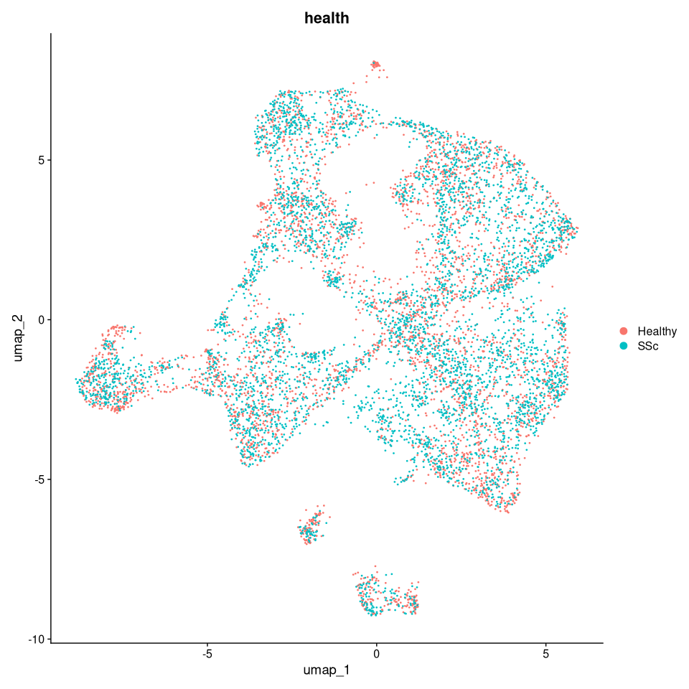
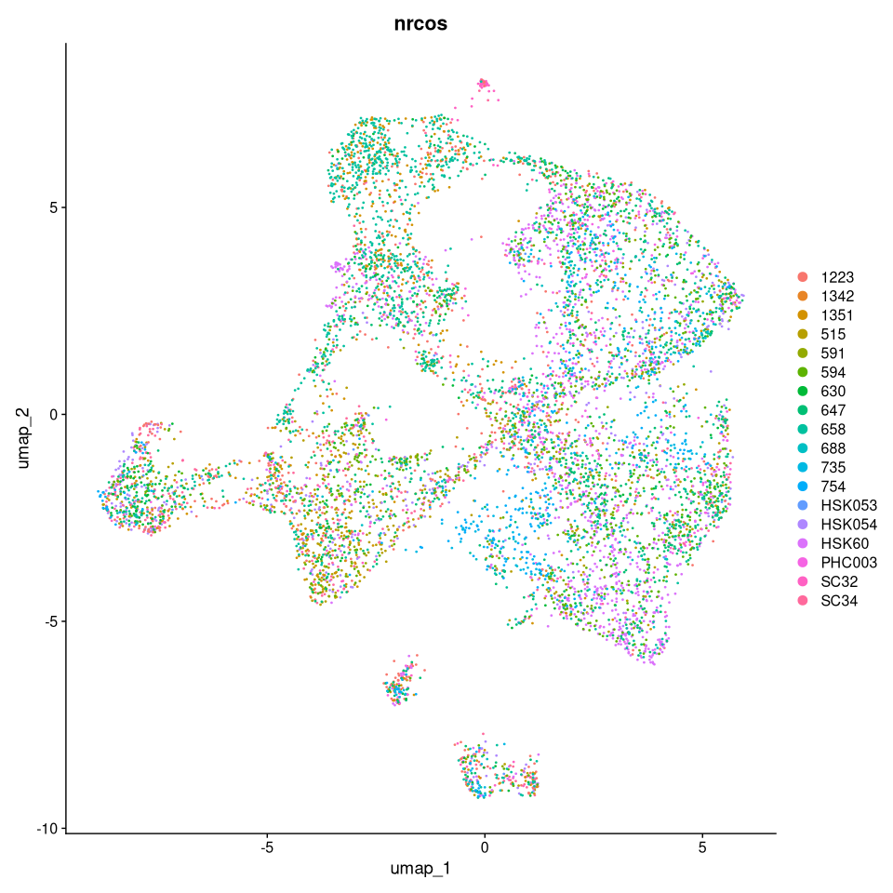

 |  |  |  |  |  |  | UMAP: All fibroblasts healthy (pink) and SSc (blue) |  |  |  |  |  |  |  |  |  |  |  |  | UMAP: Fibroblasts of individual subjects listed by different color to demosntrate overlay

macrophage_type_by_sample pivot
 | Cell count |  |  |  |  |  |  |  |  |  |  |  |  |  |  |  |  |  |  |  | Cell proportion
 | Healthy controls (blue) |  |  |  |  |  |  |  | Systemic sclerosis (tan) |  |  |  |  |  |  |  |  |  |  |  | Healthy controls (blue) |  |  |  |  |  |  |  | Systemic sclerosis (tan)
Sum of Freq |  |  |  |  |  |  |  |  |  |  |  |  |  |  |  |  |  |  |  | Sum of Freq
Row Labels | 1223 | 1351 | HSK053 | HSK054 | HSK60 | PHC003 | SC32 | SC34 | 515 | 591 | 594 | 630 | 647 | 658 | 688 | 735 | 754 | Grand Total |  | Row Labels | 1223 | 1351 | HSK053 | HSK054 | HSK60 | PHC003 | SC32 | SC34 | 515 | 591 | 594 | 630 | 647 | 658 | 688 | 735 | 754 | Grand Total
FCER1A+ | 140 | 24 | 5 | 12 | 91 | 133 | 28 | 20 | 22 | 9 | 47 | 31 | 29 | 39 | 20 | 2 | 0 | 652 |  | FCER1A+ | 43.61% | 39.34% | 45.45% | 16.90% | 13.30% | 38.44% | 43.08% | 19.80% | 40.00% | 29.03% | 41.59% | 64.58% | 35.80% | 49.37% | 54.05% | 1.24% | 0.00% | 27.29%
FCN1+ | 17 | 0 | 0 | 23 | 21 | 7 | 5 | 18 | 3 | 0 | 1 | 0 | 6 | 1 | 1 | 0 | 0 | 103 |  | FCN1+ | 5.30% | 0.00% | 0.00% | 32.39% | 3.07% | 2.02% | 7.69% | 17.82% | 5.45% | 0.00% | 0.88% | 0.00% | 7.41% | 1.27% | 2.70% | 0.00% | 0.00% | 4.31%
LAMP3+ | 26 | 3 | 2 | 2 | 12 | 18 | 3 | 7 | 2 | 3 | 4 | 2 | 4 | 0 | 0 | 0 | 0 | 88 |  | LAMP3+ | 8.10% | 4.92% | 18.18% | 2.82% | 1.75% | 5.20% | 4.62% | 6.93% | 3.64% | 9.68% | 3.54% | 4.17% | 4.94% | 0.00% | 0.00% | 0.00% | 0.00% | 3.68%
LYVE+ | 32 | 18 | 3 | 23 | 476 | 148 | 13 | 31 | 11 | 14 | 39 | 7 | 21 | 17 | 11 | 0 | 1 | 865 |  | LYVE+ | 9.97% | 29.51% | 27.27% | 32.39% | 69.59% | 42.77% | 20.00% | 30.69% | 20.00% | 45.16% | 34.51% | 14.58% | 25.93% | 21.52% | 29.73% | 0.00% | 0.81% | 36.21%
MCOLN2+ | 19 | 4 | 0 | 0 | 0 | 2 | 0 | 1 | 0 | 0 | 0 | 5 | 1 | 2 | 1 | 60 | 41 | 136 |  | MCOLN2+ | 5.92% | 6.56% | 0.00% | 0.00% | 0.00% | 0.58% | 0.00% | 0.99% | 0.00% | 0.00% | 0.00% | 10.42% | 1.23% | 2.53% | 2.70% | 37.27% | 33.06% | 5.69%
MERTK+ | 2 | 0 | 0 | 3 | 3 | 2 | 0 | 5 | 4 | 0 | 0 | 0 | 1 | 1 | 1 | 27 | 25 | 74 |  | MERTK+ | 0.62% | 0.00% | 0.00% | 4.23% | 0.44% | 0.58% | 0.00% | 4.95% | 7.27% | 0.00% | 0.00% | 0.00% | 1.23% | 1.27% | 2.70% | 16.77% | 20.16% | 3.10%
MMP19+/CTSL+ | 28 | 5 | 0 | 8 | 55 | 12 | 10 | 15 | 9 | 2 | 11 | 0 | 15 | 14 | 3 | 0 | 0 | 187 |  | MMP19+/CTSL+ | 8.72% | 8.20% | 0.00% | 11.27% | 8.04% | 3.47% | 15.38% | 14.85% | 16.36% | 6.45% | 9.73% | 0.00% | 18.52% | 17.72% | 8.11% | 0.00% | 0.00% | 7.83%
NOTCH2NLB+/NOTCH2NLC+ | 24 | 1 | 0 | 0 | 3 | 8 | 0 | 2 | 2 | 0 | 1 | 0 | 1 | 3 | 0 | 53 | 48 | 146 |  | NOTCH2NLB+/NOTCH2NLC+ | 7.48% | 1.64% | 0.00% | 0.00% | 0.44% | 2.31% | 0.00% | 1.98% | 3.64% | 0.00% | 0.88% | 0.00% | 1.23% | 3.80% | 0.00% | 32.92% | 38.71% | 6.11%
SFN+/DCN+ | 27 | 5 | 0 | 0 | 17 | 13 | 1 | 0 | 1 | 2 | 2 | 3 | 2 | 1 | 0 | 11 | 4 | 89 |  | SFN+/DCN+ | 8.41% | 8.20% | 0.00% | 0.00% | 2.49% | 3.76% | 1.54% | 0.00% | 1.82% | 6.45% | 1.77% | 6.25% | 2.47% | 1.27% | 0.00% | 6.83% | 3.23% | 3.73%
SPAG5+ | 6 | 1 | 1 | 0 | 6 | 3 | 5 | 2 | 1 | 1 | 8 | 0 | 1 | 1 | 0 | 8 | 5 | 49 |  | SPAG5+ | 1.87% | 1.64% | 9.09% | 0.00% | 0.88% | 0.87% | 7.69% | 1.98% | 1.82% | 3.23% | 7.08% | 0.00% | 1.23% | 1.27% | 0.00% | 4.97% | 4.03% | 2.05%
Grand Total | 321 | 61 | 11 | 71 | 684 | 346 | 65 | 101 | 55 | 31 | 113 | 48 | 81 | 79 | 37 | 161 | 124 | 2389 |  | Grand Total | 100.00% | 100.00% | 100.00% | 100.00% | 100.00% | 100.00% | 100.00% | 100.00% | 100.00% | 100.00% | 100.00% | 100.00% | 100.00% | 100.00% | 100.00% | 100.00% | 100.00% | 100.00%

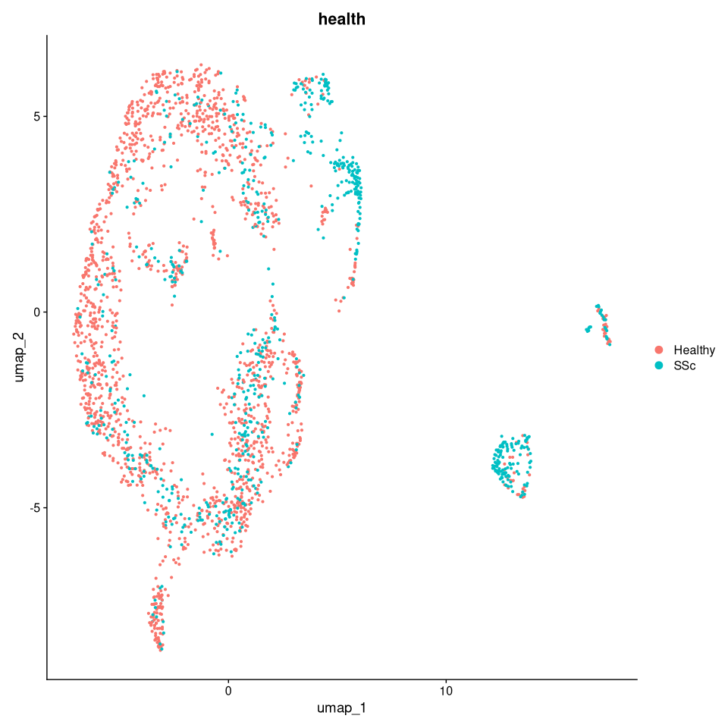
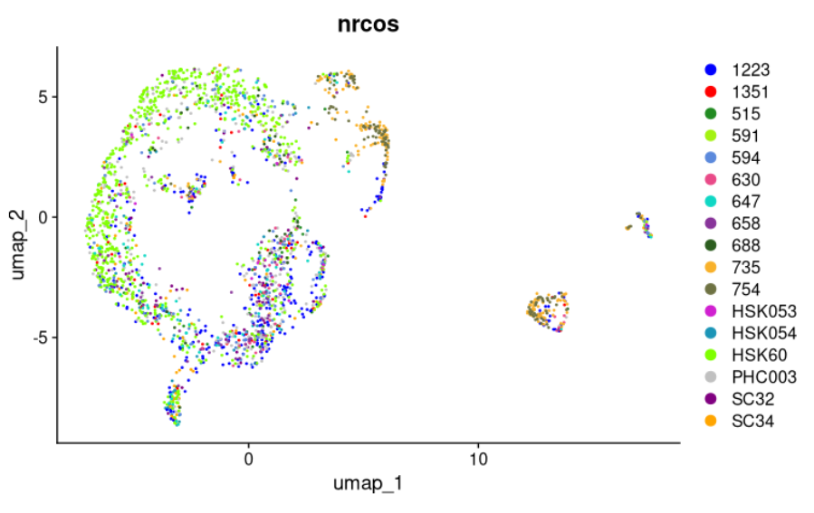

 |  |  | UMAP: All macrophages healthy (pink) and SSc (blue) |  |  |  |  |  |  |  |  |  |  |  |  |  |  |  | UMAP: Macrophages of individual subjects listed by different color to demosntrate overlay

