Fig4F.MCF7-GPER-rUGDH_Wblots
09.06.24 MCF7 GPER rUGDH GPER tx_GPR30-UGDH-ACTB_BW.png |  | Home
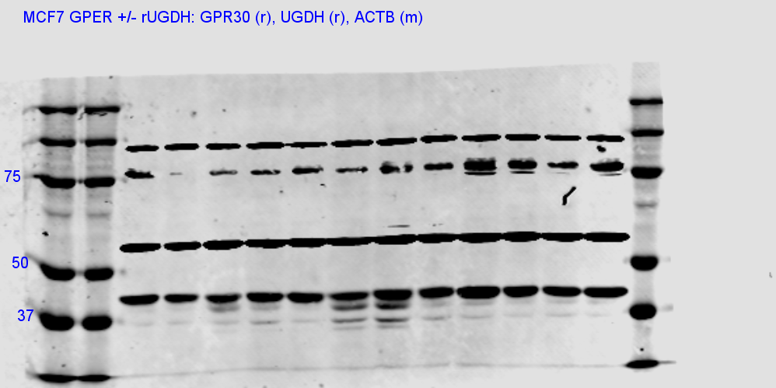

**repeated GPR30 and ACTB on another blot with same lysates to get better bands | (for rUGDH blot and GPR30 for no rUGDH)
UGDH bands are from this blot and ACTB from no rUGDH are from this blot

**GPR30 bands from this blot
09.04.24 MCF7 GPER rUGDH GPER tx_GPR30 only BW.png

ACTB re-run on 9/24 --> find raw file

SuppFig1C. ER- BC UGDH Protein
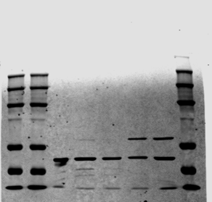
Home

NT MDA-MB-231 | MDA-MB-231 | MDA-MB-468 | MDA-MB-436 | MCF7 (+ control)
0.035718 | 0.023544 | 0.052273 | 0.056201 | 0.046843

SuppFig.4A - MCF7 GPER blot

Home

SuppFig.4B - MDA231 GPER blot

Home

SuppFig 5A_MDA231 mTOR blots
Home | Samples are the last four bands of each scanned blot: NT 231 + Veh, NT 231 + E2, U1 231 + Veh, and U1 231 + E2

 | ACTB
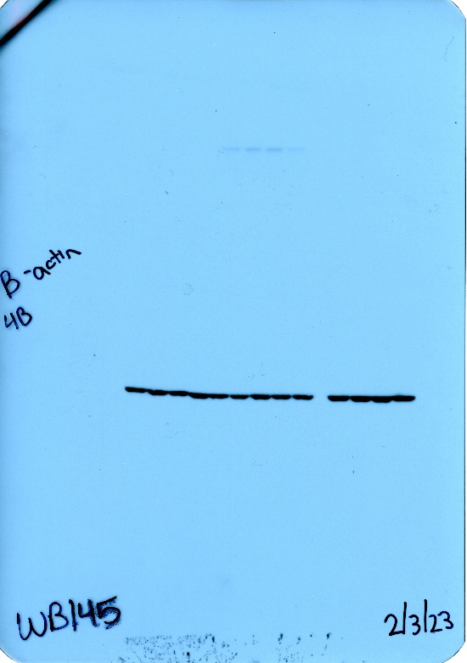
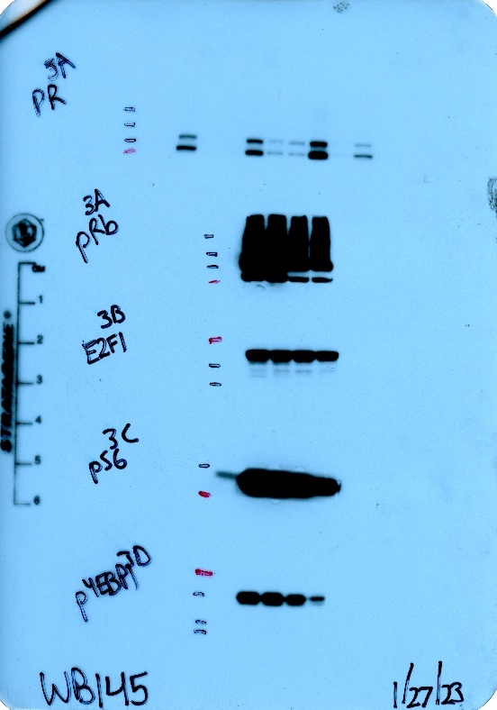
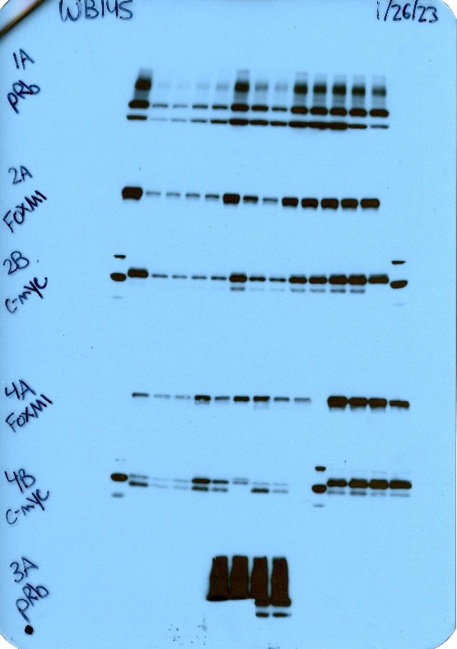
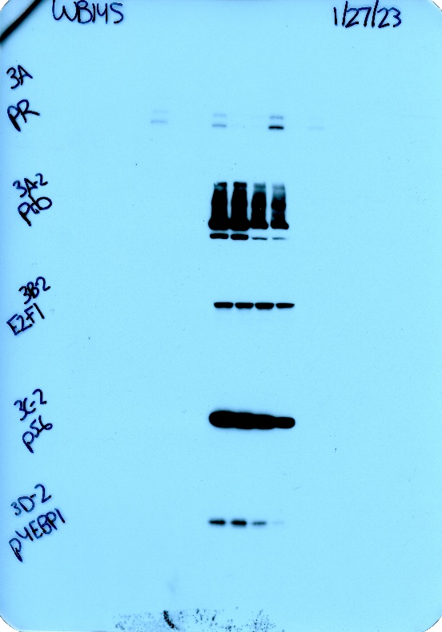

 | total 4EBP1 |  | EGFR on top, IGFR on bottom | GPR30
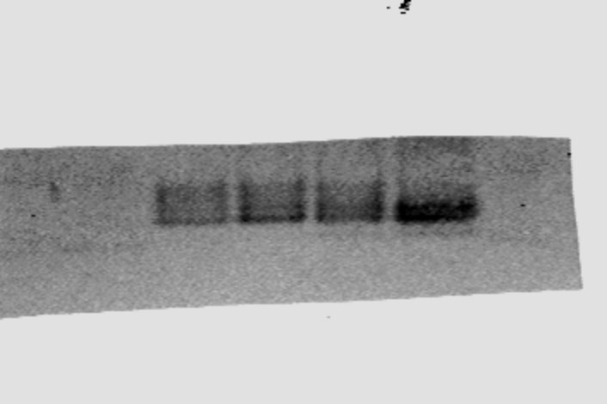
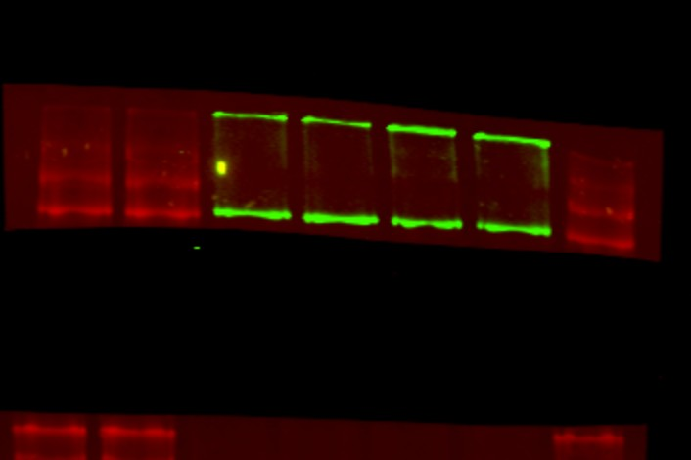
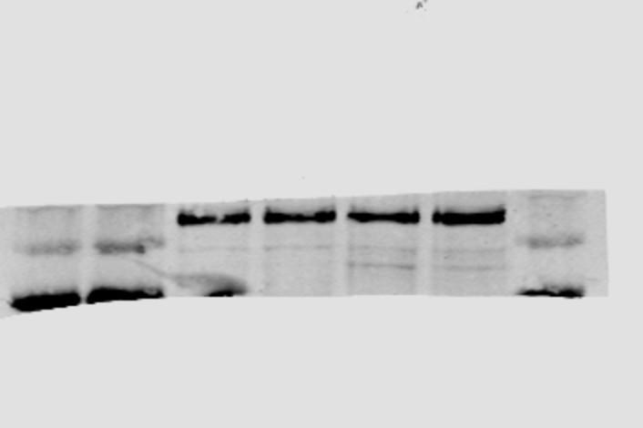

 | HER2 |  | pAKT/ACTB | total RB
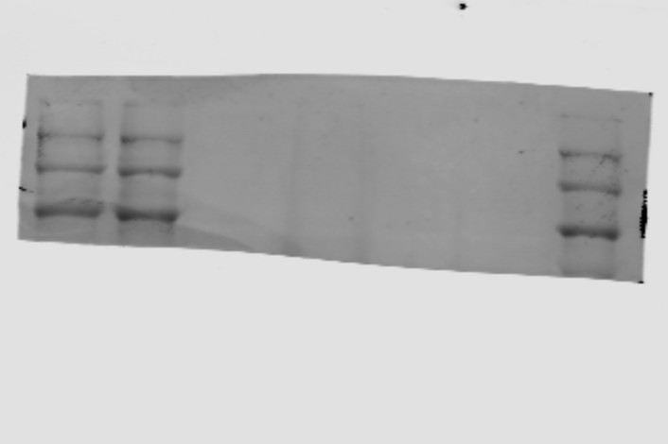
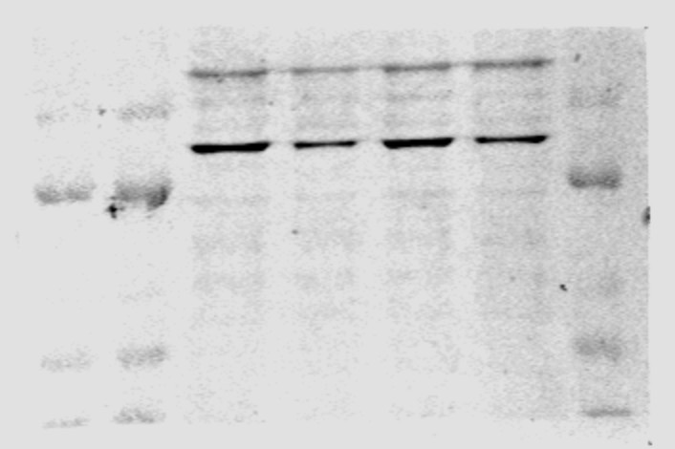
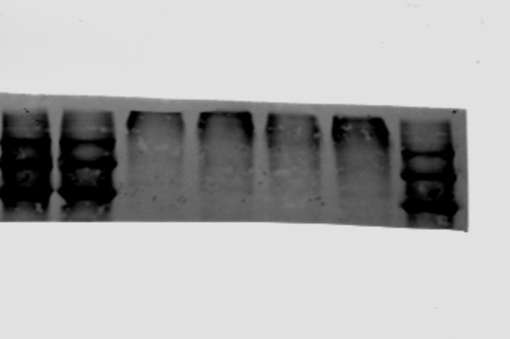

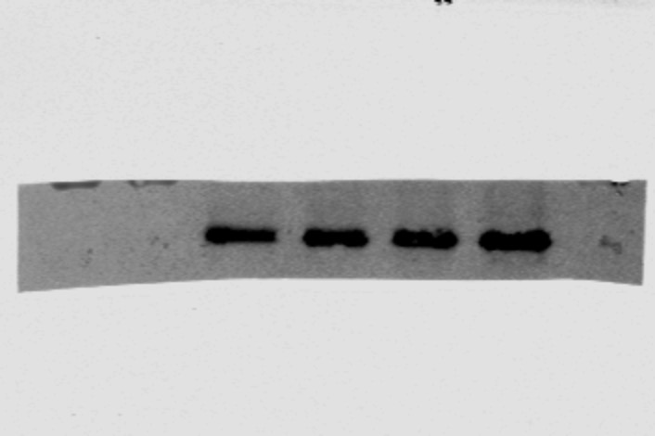
 | total S6 |  | ER alpha - no bands where they were supposed to be
 |  |  | UGDH | ERK
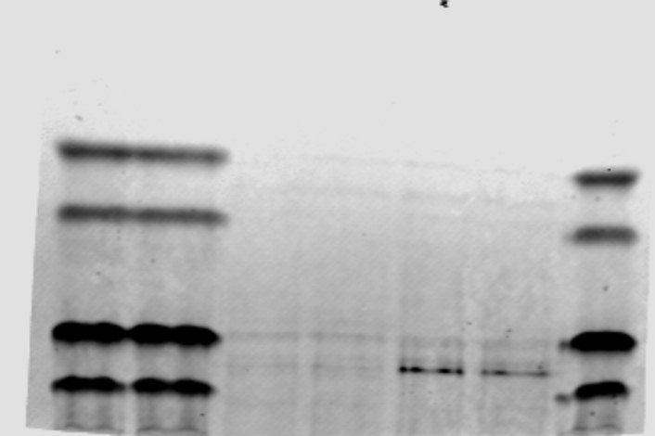


 |  |  | p-ERK

 |  | p-IGFRB

 |  | IGFRB

