Sheet1
Supplementary Table S3. Bliss model
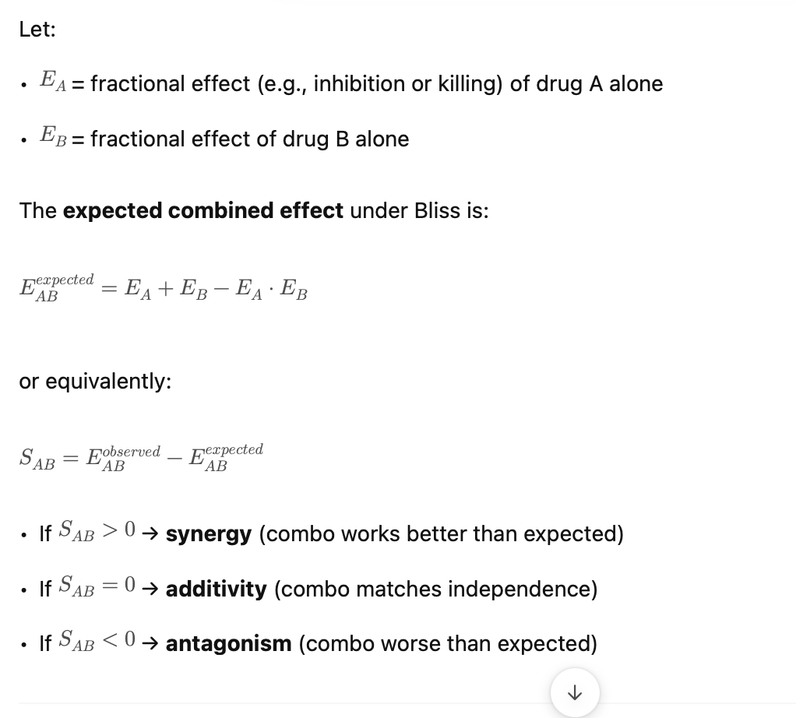

Effect (100% - (Normalized Incucyte confluence)%)
 | C4-2B | LNCAP | LAPC4 | 22RV1 |  |  | PC3 | DU145
Veh | 0% | 0% | 0% | 0% |  | Veh | 0% | 0%
OLA alone | 10% | 10% | 0% | 15% |  | TAL alone | 10% | 0%
VIC alone | 10% | 40% | 20% | 45% |  | VICalone | 25% | 15%
E(expected) | 19% | 46% | 20% | 53% |  | E(expected) | 32% | 15%

E (Observed) | 40% | 70% | 50% | 75% |  | E (Observed) | 35% | 40%
S | 0.21 | 0.24 | 0.30 | 0.22 |  | S | 0.03 | 0.25
 | >0 | >0 | >0 | >0 |  |  | >=0 | >0

 | 22Rv1 | C4-2B |  |  | 22Rv1 | C4-2B |  |  | 22Rv1 | C4-2B
Veh | 0% | 0% |  | Veh | 0% | 0% |  | Veh | 0% | 0%
Suraparib (1uM) | 0.38% | 34.12% |  | ATMi (5uM) | 41.42% | 26.92% |  | ATRi (2uM) | 39.82% | 72.81%
VIC (0.05uM) | 42.98% | 31.76% |  | VIC (0.05uM) | 40.33% | 23.28% |  | VIC (0.05uM) | 40.33% | 23.28%
E(expected) | 43.20% | 55.04% |  | E(expected) | 65.05% | 43.93% |  | E(expected) | 64.09% | 79.14%

E (Observed) | 52.44% | 44.95% |  | E (Observed) | 64.07% | 64.08% |  | E (Observed) | 69.59% | 73.09%
S | 0.09 | -0.10 |  | S | -0.01 | 0.20 |  | S | 0.05 | -0.06
 | >0 | <0

