ROC curve TRP
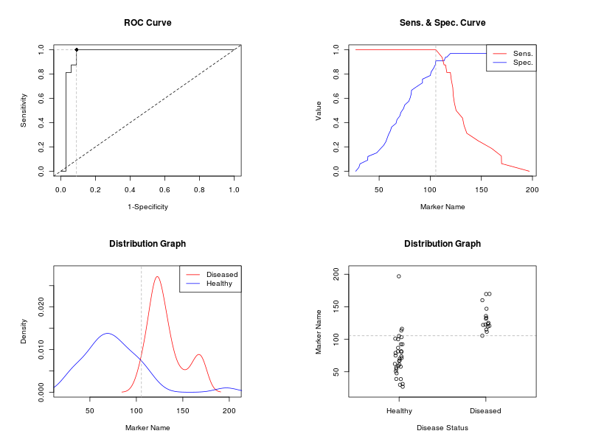
COVID+
CONTROL
TRYPTOPHAN
Marker | AUC | SE.AUC | LowerLimit | UpperLimit (*) | z | p-value
L.tryptophan | 0.9602273 | 0.03121028 | 0.8990563 | 1.021398 | 14.74602 | 3.26E-49
Youden Cut-off Results
------------------------------------------------------------
Optimal cut-off method : Youden
Optimal cut-off point : 105.4513
Optimal criterion : 1.875
------------------------------------------------------------

Table 2. Performance Measures
---------------------------------------------------------------------------------
Value Lower Limit Upper Limit
---------------------------------------------------------------------------------
Sensitivity : 1.000 0.794 NaN
Specificity : 0.909 0.757 0.981
Positive Predictive Value : 0.842 0.624 NaN
Negative Predictive Value : 1.000 0.879 1.000
Positive Likelihood Ratio : 11.000 3.740 32.357
Negative Likelihood Ratio : 0.000 0.000 NaN
---------------------------------------------------------------------------------

Marker | Cutpoint | FPR | TPR
L.tryptophan | -Inf | 1 | 1
L.tryptophan | 27.0798 | 1 | 1
L.tryptophan | 30.1352 | 0.9697 | 1
L.tryptophan | 31.2936 | 0.9394 | 1
L.tryptophan | 38.7692 | 0.9091 | 1
L.tryptophan | 38.9897 | 0.8788 | 1
L.tryptophan | 47.6861 | 0.8485 | 1
L.tryptophan | 50.9383 | 0.8182 | 1
L.tryptophan | 54.3275 | 0.7879 | 1
L.tryptophan | 56.5534 | 0.7576 | 1
L.tryptophan | 57.8733 | 0.7273 | 1
L.tryptophan | 59.2507 | 0.697 | 1
L.tryptophan | 61.0464 | 0.6667 | 1
L.tryptophan | 62.1727 | 0.6364 | 1
L.tryptophan | 66.5155 | 0.6061 | 1
L.tryptophan | 67.4412 | 0.5758 | 1
L.tryptophan | 70.201 | 0.5455 | 1
L.tryptophan | 71.3165 | 0.5152 | 1
L.tryptophan | 73.8005 | 0.4848 | 1
L.tryptophan | 75.0601 | 0.4545 | 1
L.tryptophan | 79.0369 | 0.4242 | 1
L.tryptophan | 80.4429 | 0.3939 | 1
L.tryptophan | 81.379 | 0.3636 | 1
L.tryptophan | 81.6996 | 0.3333 | 1
L.tryptophan | 86.8664 | 0.303 | 1
L.tryptophan | 92.3892 | 0.2727 | 1
L.tryptophan | 92.3939 | 0.2424 | 1
L.tryptophan | 100.0313 | 0.2121 | 1
L.tryptophan | 100.9359 | 0.1818 | 1
L.tryptophan | 103.327 | 0.1515 | 1
L.tryptophan | 105.1055 | 0.1212 | 1
L.tryptophan | 105.4513 | 0.0909 | 1
L.tryptophan | 111.6097 | 0.0909 | 0.9375
L.tryptophan | 113.5364 | 0.0909 | 0.875
L.tryptophan | 114.9659 | 0.0606 | 0.875
L.tryptophan | 116.2447 | 0.0606 | 0.8125
L.tryptophan | 119.7097 | 0.0303 | 0.8125
L.tryptophan | 120.6522 | 0.0303 | 0.75
L.tryptophan | 122.0815 | 0.0303 | 0.6875
L.tryptophan | 122.5081 | 0.0303 | 0.625
L.tryptophan | 123.5963 | 0.0303 | 0.5625
L.tryptophan | 125.3028 | 0.0303 | 0.5
L.tryptophan | 131.5933 | 0.0303 | 0.4375
L.tryptophan | 133.1211 | 0.0303 | 0.375
L.tryptophan | 135.7931 | 0.0303 | 0.3125
L.tryptophan | 146.9732 | 0.0303 | 0.25
L.tryptophan | 160.092 | 0.0303 | 0.1875
L.tryptophan | 169.5914 | 0.0303 | 0.125
L.tryptophan | 169.7657 | 0.0303 | 0.0625
L.tryptophan | 196.8908 | 0.0303 | 0

ROC Curve KYN
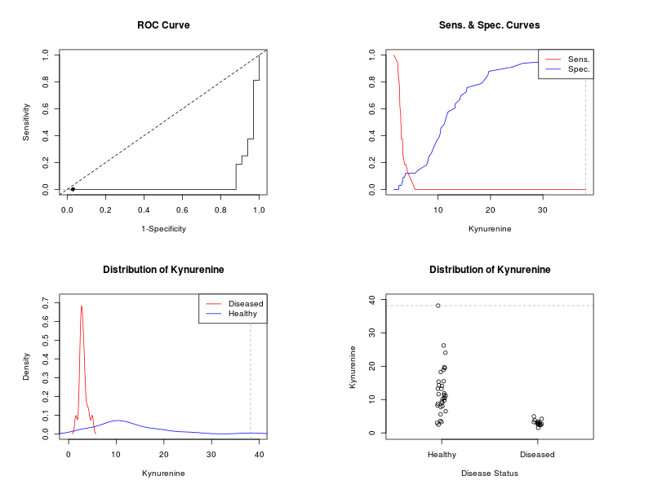
COVID+
CONTROL
KYNURENINE
Marker | AUC | SE.AUC | LowerLimit | UpperLimit (*) | z | p-value
Kynurenine | 0.04924242 | 0.02981351 | -0.009190977 | 0.1076758 | -15.11924 | 1.209304E-51
Youden Cut-off Result
------------------------------------------------------------
Optimal cut-off method : Youden
Optimal cut-off point : 38.1741
Optimal criterion : 1
------------------------------------------------------------

Table 2. Performance Measures
---------------------------------------------------------------------------------
Value Lower Limit Upper Limit
---------------------------------------------------------------------------------
Sensitivity : 0.000 NaN 0.206
Specificity : 0.970 0.842 0.999
Positive Predictive Value : 0.000 0.000 0.806
Negative Predictive Value : 0.667 NaN 0.988
Positive Likelihood Ratio : 0.000 0.000 NaN
Negative Likelihood Ratio : 1.031 0.971 1.095
---------------------------------------------------------------------------------

Marker | Cutpoint | FPR | TPR
Kynurenine | -Inf | 1 | 1
Kynurenine | 1.5351 | 1 | 1
Kynurenine | 2.3556 | 1 | 0.9375
Kynurenine | 2.3751 | 1 | 0.875
Kynurenine | 2.4963 | 1 | 0.8125
Kynurenine | 2.5327 | 0.9697 | 0.8125
Kynurenine | 2.6558 | 0.9697 | 0.75
Kynurenine | 2.6813 | 0.9697 | 0.6875
Kynurenine | 2.7019 | 0.9697 | 0.625
Kynurenine | 2.8514 | 0.9697 | 0.5625
Kynurenine | 2.9001 | 0.9697 | 0.5
Kynurenine | 2.9938 | 0.9697 | 0.4375
Kynurenine | 3.0013 | 0.9697 | 0.375
Kynurenine | 3.2197 | 0.9394 | 0.375
Kynurenine | 3.2709 | 0.9394 | 0.3125
Kynurenine | 3.273 | 0.9394 | 0.25
Kynurenine | 3.3473 | 0.9091 | 0.25
Kynurenine | 3.6074 | 0.9091 | 0.1875
Kynurenine | 3.8218 | 0.8788 | 0.1875
Kynurenine | 4.2383 | 0.8788 | 0.125
Kynurenine | 4.9593 | 0.8788 | 0.0625
Kynurenine | 5.5937 | 0.8788 | 0
Kynurenine | 6.5103 | 0.8485 | 0
Kynurenine | 7.8281 | 0.8182 | 0
Kynurenine | 8.0539 | 0.7879 | 0
Kynurenine | 8.2161 | 0.7576 | 0
Kynurenine | 8.7574 | 0.7273 | 0
Kynurenine | 9.0633 | 0.697 | 0
Kynurenine | 9.3935 | 0.6667 | 0
Kynurenine | 9.7575 | 0.6364 | 0
Kynurenine | 10.2565 | 0.6061 | 0
Kynurenine | 10.4566 | 0.5758 | 0
Kynurenine | 10.5067 | 0.5455 | 0
Kynurenine | 11.1607 | 0.5152 | 0
Kynurenine | 11.3912 | 0.4848 | 0
Kynurenine | 11.614 | 0.4545 | 0
Kynurenine | 11.8795 | 0.4242 | 0
Kynurenine | 13.2459 | 0.3939 | 0
Kynurenine | 13.2629 | 0.3636 | 0
Kynurenine | 14.1106 | 0.3333 | 0
Kynurenine | 14.3287 | 0.303 | 0
Kynurenine | 15.4131 | 0.2727 | 0
Kynurenine | 15.5075 | 0.2424 | 0
Kynurenine | 18.2814 | 0.2121 | 0
Kynurenine | 18.9178 | 0.1818 | 0
Kynurenine | 19.4795 | 0.1515 | 0
Kynurenine | 19.7002 | 0.1212 | 0
Kynurenine | 24.0407 | 0.0909 | 0
Kynurenine | 26.2373 | 0.0606 | 0
Kynurenine | 38.1741 | 0.0303 | 0

